Task05
Task 05: I have tested the wesite "https://www.aftermarket.pl/" and had perform registration, login, searching and logout activities using selenium

Open Browser

Registration and Login | 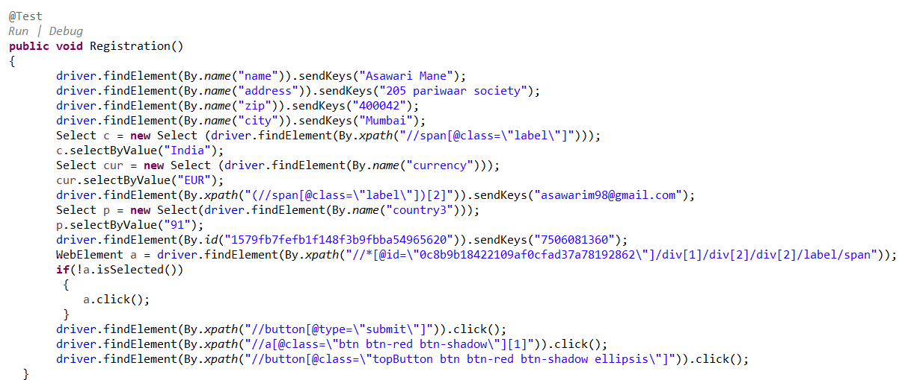

Search

Logout and browser close | 

